Map 1
Number of children’s homes, by former Government Office Region, at the end of the current quarter

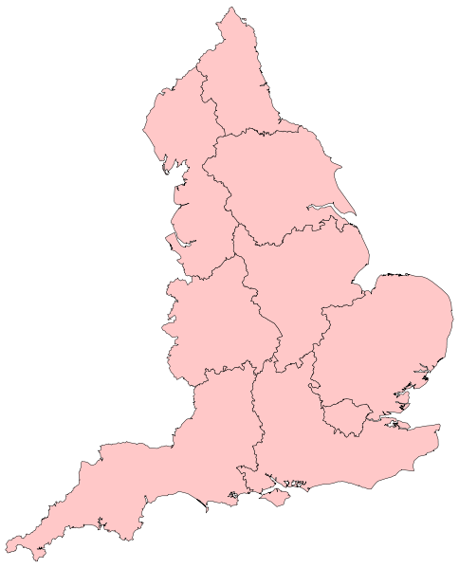

107

514

186

165

335

159

130

268
210

Map 2
Number of children’s homes places, by former Government Office Region, at the end of the current quarter

572

2462

1171

1074

1594

902

780

1850
1360

