Covers


Official Statistics Release
Policy area: | Children's homes inspections and outcomes
Theme: | Education, children’s services and skills
Published on: | 2012-09-27
Coverage: | England
Period covered: | 1 January 2012 - 31 March 2012
Status: | FINAL
Issued by: | Office for Standards in Education, Children's Services and Skills (Ofsted) Aviation House 125 Kingsway London WC2B 6SE

Responsible director: | John Goldup
Statistician: | Adam King
Public enquiries: | enquiries@ofsted.gov.uk
Press enquiries: | pressenquiries@ofsted.gov.uk
Link to official statistics release web page: | www.ofsted.gov.uk/resources/official-statistics-children%E2%80%99s-social-care-inspections-and-outcomes
Publication medium: | Ofsted website
Publication frequency: | Quarterly
Next publication date: | 2012-12-18

© Crown copyright

You may use and re-use this information (not including logos) free of charge in any format or medium, under the terms of the Open Government Licence.
To view this licence, visit:
http://www.nationalarchives.gov.uk/doc/open-government-licence/
Or write to the Information Policy Team, The National Archives, Kew, London, TW9 4DU
Or email:
psi@nationalarchives.gsi.gov.uk

Chart 1
Chart 1: Overall effectiveness of children's homes (including secure children's homes) inspected from 1 April 2007 to 31 March 2012 by financial year (final)1 2 3

Number of children's homes
Year | Outstanding | Good | Satisfactory | Inadequate | Total number inspected

1 April 2011 - 31 March 2012 | 490 | 1,035 | 339 | 43 | 1907
Introduction of the new framework for the inspection of children's homes

1 April 2010 - 31 March 2011 | 697 | 2329 | 988 | 167 | 4181
1 April 2009 - 31 March 2010 | 405 | 2075 | 1020 | 255 | 3755
1 April 2008 - 31 March 2009 | 290 | 1896 | 1187 | 333 | 3706
1 April 2007 - 31 March 2008 | 289 | 1997 | 1098 | 368 | 3752

 |  |  |  |  | Source: Ofsted inspections
 | Outstanding | Good | Satisfactory | Inadequate
1 April 2011 - 31 March 2012 (1907) | 26 | 54 | 18 | 2
1 April 2010 - 31 March 2011 (4181) | 17 | 56 | 24 | 4
1 April 2009 - 31 March 2010 (3755) | 11 | 55 | 27 | 7
1 April 2008 - 31 March 2009 (3706) | 8 | 51 | 32 | 9
1 April 2007 - 31 March 2008 (3752) | 8 | 53 | 29 | 10
Introduction of the new framework for the inspection of children's homes
Percentage of children's homes

1. Percentages are rounded and may not add to 100.
2. Inspections since the inspection framework change on 1 April 2011 exclude residential special schools that care for pupils for more than 295 days per year and are therefore registered as children's homes, inspections prior to 1 April 2011 include all types of children's homes.
3. Inspections since the inspection framework change on 1 April 2011 include only full inspections, inspections prior to 1 April 2011 include both interim and full inspection.

Chart 2
Chart 2: Overall effectiveness of children's homes (including secure children's homes) inspected between 1 April 2007 and 31 March 2012, by quarter (final)1 2 3

Number of children's homes
Quarter | Outstanding | Good | Satisfactory | Inadequate | Total number inspected

1 January 2012 - 31 March 2012 (103) | 12 | 56 | 26 | 9 | 103
1 October 2011 - 31 December 2011 (739) | 237 | 391 | 100 | 11 | 739
1 July 2011 - 30 September 2011 (615) | 158 | 337 | 110 | 10 | 615
Introduction of the new framework for the inspection of children's homes
1 April 2011 - 30 June 2011 | 83 | 251 | 103 | 13 | 450

1 January 2011 - 31 March 2011 | 279 | 881 | 394 | 46 | 1600
1 October 2010 - 31 December 2010 | 198 | 648 | 247 | 38 | 1131
1 July 2010 - 30 September 2010 | 143 | 454 | 177 | 47 | 821
1 April 2010 - 30 June 2010 | 77 | 346 | 170 | 36 | 629
1 January 2010 - 31 March 2010 | 155 | 726 | 340 | 73 | 1294
1 October 2009 - 31 December 2009 | 126 | 619 | 287 | 76 | 1108
1 July 2009 - 30 September 2009 | 95 | 481 | 263 | 52 | 891
1 April 2009 - 30 June 2009 | 62 | 404 | 208 | 72 | 746
1 January 2009 - 31 March 2009 | 106 | 617 | 366 | 97 | 1186
1 October 2008 - 31 December 2008 | 87 | 582 | 400 | 101 | 1170
1 July 2008 - 30 September 2008 | 72 | 456 | 298 | 80 | 906
1 April 2008 - 30 June 2008 | 46 | 384 | 225 | 77 | 732
1 January 2008 - 31 March 2008 | 103 | 657 | 342 | 97 | 1199
1 October 2007 - 31 December 2007 | 88 | 579 | 279 | 93 | 1039
1 July 2007 - 30 September 2007 | 68 | 484 | 249 | 103 | 904
1 April 2007 - 30 June 2007 | 49 | 399 | 293 | 103 | 844

 | Outstanding | Good | Satisfactory | Inadequate
1 January 2012 - 31 March 2012 (103) | 12 | 54 | 25 | 9
1 October 2011 - 31 December 2011 (739) | 32 | 53 | 14 | 1
1 July 2011 - 30 September 2011 (615) | 26 | 55 | 18 | 2
1 April 2011 - 30 June 2011 (450) | 18 | 56 | 23 | 3
1 January 2011 - 31 March 2011 (1600) | 17 | 55 | 25 | 3
1 October 2010 - 31 December 2010 (1131) | 18 | 57 | 22 | 3
1 July 2010 - 30 September 2010 (821) | 17 | 55 | 22 | 6
1 April 2010 - 30 June 2010 (629) | 12 | 55 | 27 | 6
1 January 2010 - 31 March 2010 (1294) | 12 | 56 | 26 | 6
1 October 2009 - 31 December 2009 (1108) | 11 | 56 | 26 | 7
1 July 2009 - 30 September 2009 (891) | 11 | 54 | 30 | 6
1 April 2009 - 30 June 2009 (746) | 8 | 54 | 28 | 10
1 January 2009 - 31 March 2009 (1186) | 9 | 52 | 31 | 8
1 October 2008 - 31 December 2008 (1170) | 7 | 50 | 34 | 9
1 July 2008 - 30 September 2008 (906) | 8 | 50 | 33 | 9
1 April 2008 - 30 June 2008 (732) | 6 | 52 | 31 | 11
1 January 2008 - 31 March 2008 (1199) | 9 | 55 | 29 | 8
1 October 2007 - 31 December 2007 (1039) | 8 | 56 | 27 | 9
1 July 2007 - 30 September 2007 (904) | 8 | 54 | 28 | 11
1 April 2007 - 30 June 2007 (844) | 6 | 47 | 35 | 12
Introduction of the new framework for the inspection of children's homes
 |  |  |  |  | Source: Ofsted inspections
Percentage of children's homes

1. Percentages are rounded and may not add to 100.
2. Inspections since the inspection framework change on 1 April 2011 exclude residential special schools that care for pupils for more than 295 days per year and are therefore registered as children's homes, inspections prior to 1 April 2011 include all types of children's homes.
3. Inspections since the inspection framework change on 1 April 2011 include only full inspections, inspections prior to 1 April 2011 include both interim and full inspection.

Map 1
Children's homes (including secure children's homes) receiving a good or better overall effectiveness judgement at full inspection, by former Government Office Region, since 1 April 2011 (final)
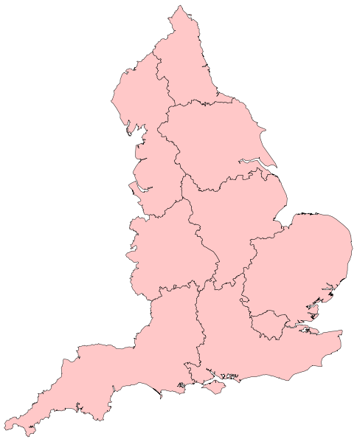

79%

83%

79%
 | England average 80%

75%

84%
78%

70%

83%
74%

Map 2
Children's homes (including secure children's homes) receiving a satisfactory or lower overall effectiveness judgement at full inspection, by former Government Office Region, since 1 April 2011 (final)

21%

17%

21%
 | England average 20%

25%

16%
22%

30%

17%
26%

