Map 1
Number of children’s homes, by former Government Office Region, at the end of the current quarter

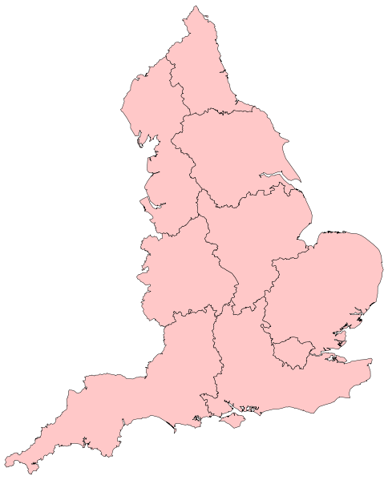

106

509

184

163

334

162

134

264
207

Map 2
Number of children’s homes places, by former Government Office Region, at the end of the current quarter

562

2459

1170

1065

1592

927

795

1856
1354

